BUG 1
Summary: | [Functional bug] User can add emlopeey without filling "Last name" field.
Description: | In section "Add employees", user can add emlopeey without filling "Last name" field.

Steps to reproduce: | 1.Open Google Chrome browser
 | 2.Go to the following URL: https://www.humanity.com/
 | 3.Go to login
 | 4.In the field "Email/Username" enter valid ("marijajevtic413@gmail.com")
 | 5. In the field "Password" enter valid ("Makica381")
 | 6.Click on "Log in" button
 | 7.Click on "Staff"
 | 8.Click on "Add employess" button
 | 9. Enter ("Zika") as a first name.
 | 10.Leave "Last name" field blank
 | 11.Enter valid email ("zikazikic86@gmail.com")
 | 12.Click on "Save employees"
Expected result: | Employee is not saved. Notification appears "Last name cannot be left empty"

Actual result: | Employee is saved.

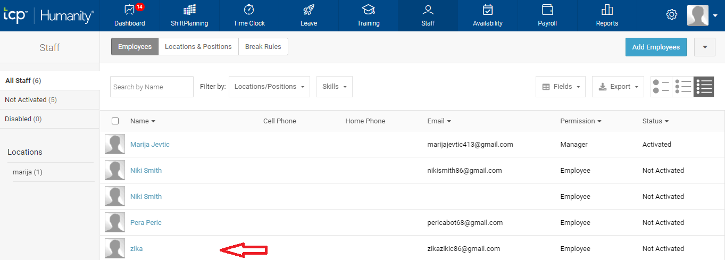
Screenshot:

Priority: | High
Severity: | low
Repro rate: | 100%

BUG 2
Summary: | [Functional bug] User can add emlopeey without filling "Email" field.
Description: | In section "Add employees", user can add emlopeey without filling "Email" field.

Steps to reproduce: | 1.Open Google Chrome browser
 | 2.Go to the following URL: https://www.humanity.com/
 | 3.Go to login
 | 4.In the field "Email/Username" enter valid ("marijajevtic413@gmail.com")
 | 5. In the field "Password" enter valid ("Makica381")
 | 6.Click on "Log in" button
 | 7.Click on "Staff"
 | 8.Click on "Add employess" button
 | 9. Enter ("Niki") as a first name.
 | 10.Enter ("Smith") as a last name.
 | 11.Leave "Email" field blank
 | 12.Click on "Save employees"
Expected result: | Employee is not saved. Notification appears "Email cannot be left empty"

Actual result: | Employee is saved.

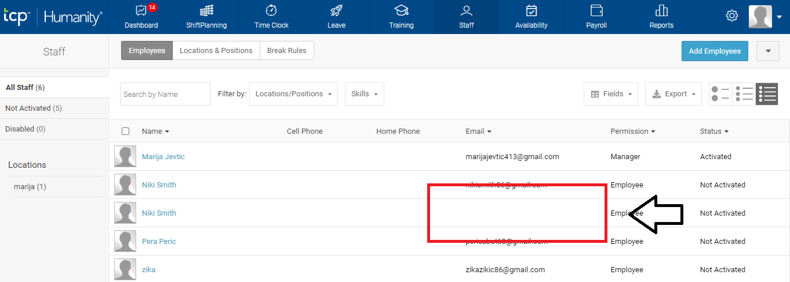
Screenshot:

Priority: | High
Severity: | low
Repro rate: | 100%

BUG 3
Summary: | [Functional bug ] User can't edit "Primary location"
Description: | When user open details of employees and then "Primary location". The drop-down menu of "Primary location" contains nothing.

Steps to reproduce: | 1.Open Google Chrome browser
 | 2.Go to the following URL: https://www.humanity.com/
 | 3.Go to login
 | 4.In the field "Email/Username" enter valid ("marijajevtic413@gmail.com")
 | 5. In the field "Password" enter valid ("Makica381")
 | 6.Click on "Log in" button
 | 7.Click on "Staff"
 | 8.Click on "Add employess" button
 | 9. Click on ("Nick Smith") employee
 | 10. Click on "Primary location"

Expected result: | In drop-down menu user should be able to select location

Actual result: | There are no location in the drop-down list

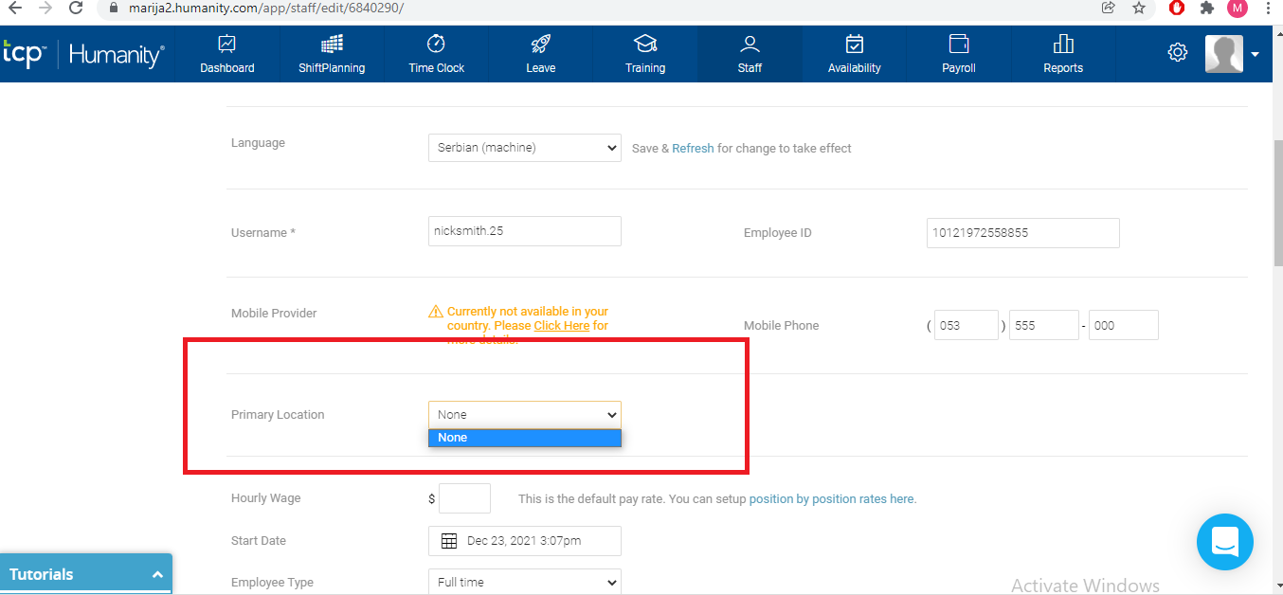
Screenshot:

Priority: | High
Severity: | low
Repro rate: | 100%

